MODELOS (excel)
 |  |  |  |  | Datos | 9 | BDRALVZB16EHA% | 1778 KG | 1010 KG | 821 KG | RE0F10A | GB54 | MR20DE 1997 CC | H |  | BCAB16
 |  |  |  |  | longitud | 1 | 14 | 7 | 7 | 6 | 7 | 4 | 14 | 1 | 0 | 6
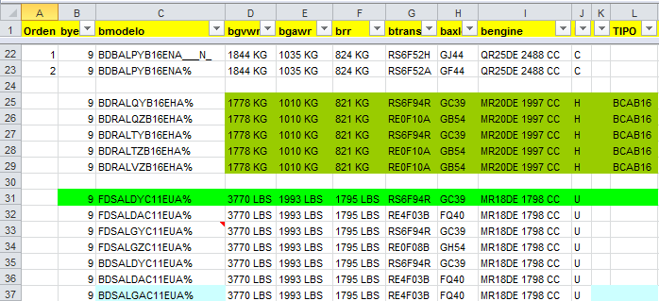
Name | Length | Type | Value
orden | 1 | N | 1 / 2 | null/optional
byear | 1 | A | 9
bmodelo | 14~18~20 | A |  | BDRALVZB16EHA%___N_
bgvwr | 7~10 | A
bagwr | 7~10 | A
brr | 7~10 | A
btrans | 7 | A
baxle | 4 | A
bengine | 14 | A
btt | 3 | A
be | 1 | A |  | ?? (type / length)
tipo | 4 | A

 |  |  |  |  |  | Prefix | 7 | BDRALVZ
 |  |  |  |  |  | Base | 3 | B16 | other | C11
 |  |  |  |  |  | Suffix | 8 | EHA% | other | ENA___N_

Configuration APP
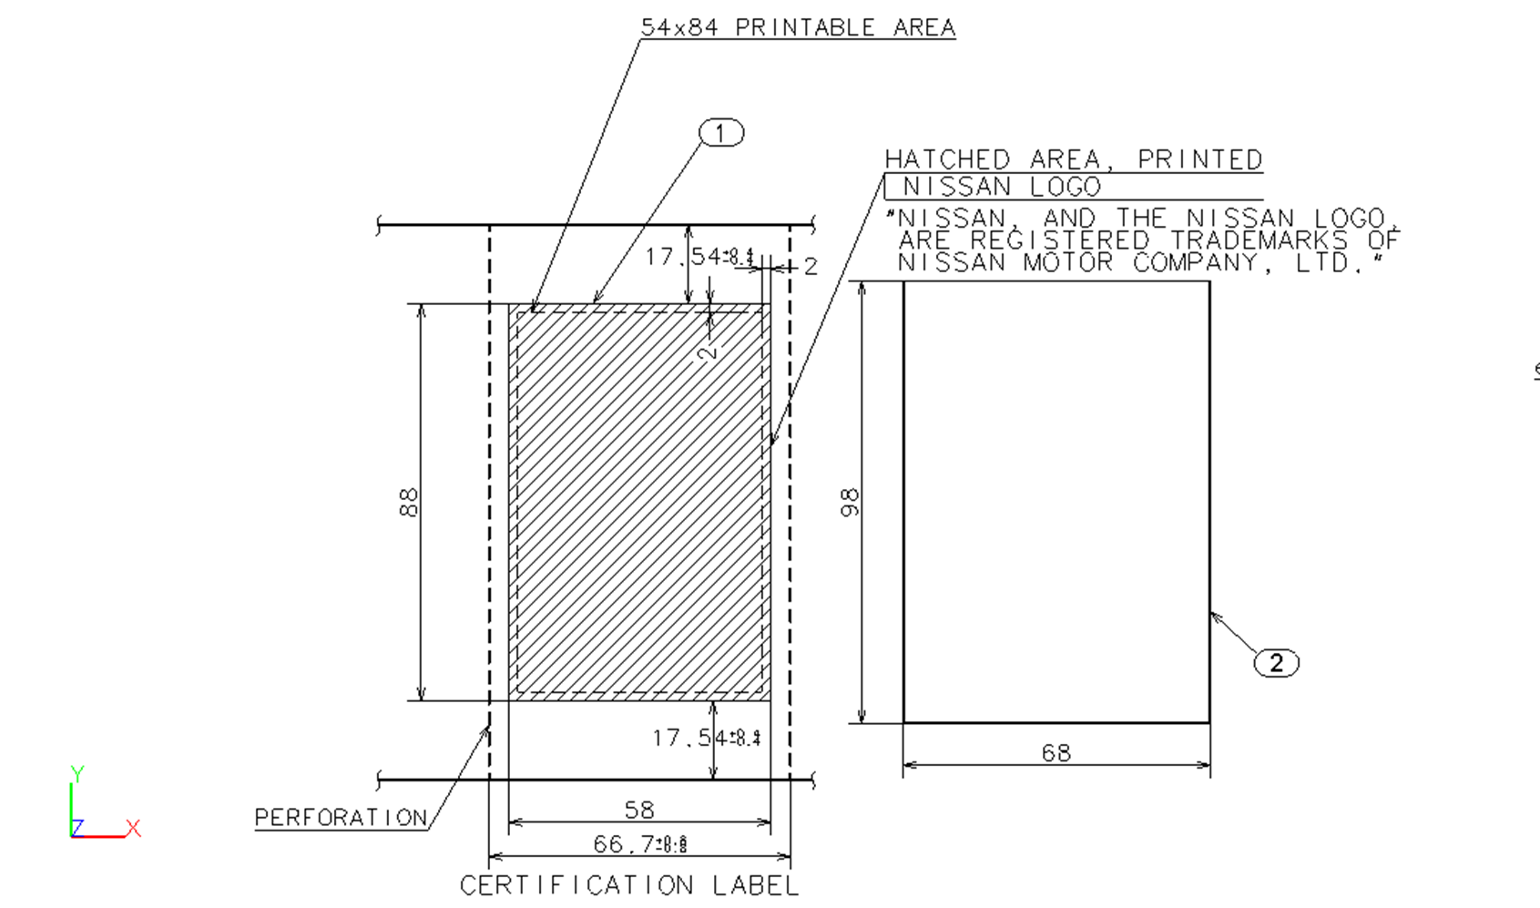
Configuration Resources
(Save them in XML format or Registry Values)

Description | Value | Units
LabelDPI | 200 /300 | DPI
LabelWidth | 98 | mm | 3.8582677165
LabelHeight | 68 | mm | 2.6771653543
PrintWidth | 84 | mm | 3.3070866142
PrintHeight | 54 | mm | 2.125984252
Country1 | USA
Country2 | Canada
Country3 | Israel

Conversion
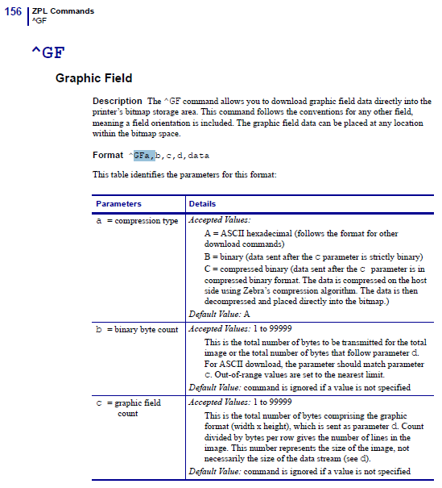
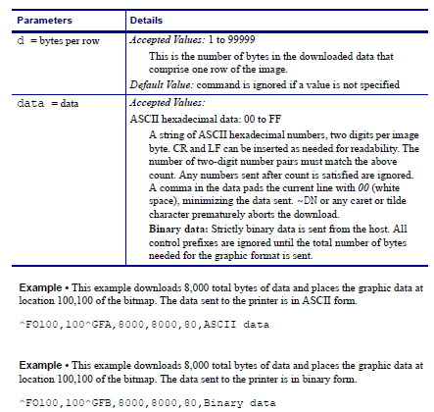
 |  |  |  | mm |  | inches | cms x 2.5416 |  | Puntos 300DPI | Puntos 203DPI

 | Label SIZE |  | Width | 89 |  | 3.5 | 8.90 |  | 1050 | 710.5
 |  |  | Heigth | 57 |  | 2.24 | 5.69 |  | 672 | 454.72

 |  |  |  |  |  |  | 1cm = | 118.03588291
 | ^FO | x,y | (Columna,Renglon) |  |  |  |  | 118.03588291

Ejemplo Canadiense

 | Columna(x) | Renglon (y) | tipo

 | 50 | 24 | Texto | MANUFACTURAD BY NISSAN MOTOR CO., LTD.
 |  |  |  |  |  | len x FontWidth
 | 50 | 70 | Texto | DATE: |  | 60
 | 50+DATE: | 70 | Variable | &sFecha
 | 570 | 70 | Texto | FDGVWR/PNBV:
 |  | 70 | Variable | &sGVWR

 | 50 | 115 | Texto | FDRR:
 | 115+FDDR | 115 | Variable | &sRR |  | ^FO50 ,330^GB472,0,4^FS
 |  |  |  |  |  | ^FO170,330^GB0,18,4^FS
 | 50 | 156 | Texto | VIN: |  | ^FO280,330^GB0,18,4^FS
 | 170 | 156 | Variable | sVIN |  | ^FO50 ,408^GB472,0,4^FS
 |  |  |  |  |  | ^FO170,408^GB0,18,4^FS

Ejemplo Lineas |  | left, top
 | Columna(x) | Renglon (y) |  |  |  | Derecha | Abajo | Ancho | loadShape.Width = double.Parse(item.Attributes["Width"].InnerText);
 | 50 | 330 |  | Linea | LARGA | 472 | 0 | 4 | loadShape.Height = double.Parse(item.Attributes["Height"].InnerText);
 | 170 | 330 |  | Linea | corta | 0 | 18 | 4
 | 280 | 330 |  | Linea | corta | 0 | 18 | 4
 | 50 | 408 |  | Linea | LARGa | 472 | 0 | 4
 | 170 | 408 |  | Linea | corta | 0 | 18 | 4
 |  |  |  |  |  |  |  |  |  |  |  |  | 252 | 63 | 63 | 3969 | 7938 |  | 31.5
Ejemplo VIN (codigo Barras a 7 a 10 mm) de 72 a 120 |  |  |  |  |  | Barcode ^B3 code 39 barcode |  |  |  |  |  | Caso 192 | 192 | 48 | 48 | 2304 | 4608 |  | Width / 8
 |  |  |  |  | Alto |  | Dato |  |  |  |  | Caso 240 | 240 | 60 | 60 | 3600 | 7200 |  | 30
 | 205 | 500 | ^B3 | ,, | 120 | N | sVin |  |  |  |  |  |  |  |  |  | 7680 |  | 30
 | 300 | 628 | Variable |  |  |  | sVin
 |  |  |  |  |  |  | 33.941125497 | 33.94 |  | 1151.9617994 | DataStreams |  |  |  | DATOS r
Logos |  |  |  |  |  |  | 96 | 96 | 9216 |  | 1152 | 8 |  |  | 2304 |  | 48
 | 565 | 320 |  | EC2.GRF |  |  | 255 | 255 | 65025 |  | 8160 | 7.96875 |  |  |  |  |  | interes 2
 | 770 | 140 |  | LogoCert.GRF |  |  | 63.75 | 63.75 |  |  | 4064.0625 |  |  | 24 | 24 | 576 | 1152 | 576
 |  |  |  |  |  |  |  |  |  |  | 90.332718325 |  |  | DIV 4 | DIV 4 | ELEV 2 | DOBLE WORD
 |  |  |  |  |  |  | 90 | 90 |  |  | 8100
 |  |  |  |  |  |  |  |  |  |  |  |  |  | int p = ((i * 24) + (24 - j))*2;
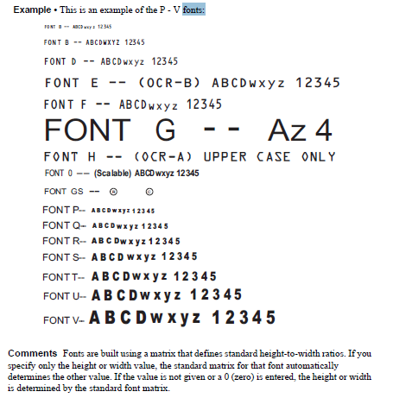
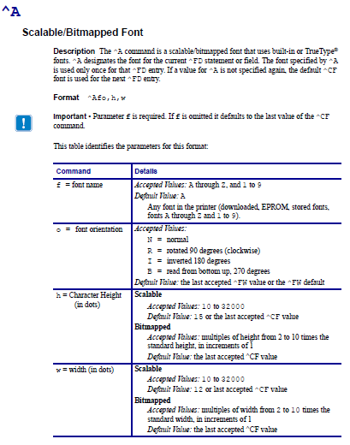
 |  |  |  |  |  |  |  |  |  |  |  |  |  | 528 | 24 |  | 1104
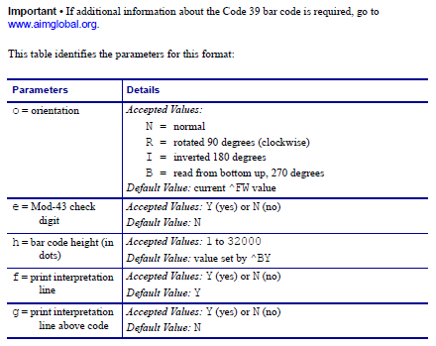

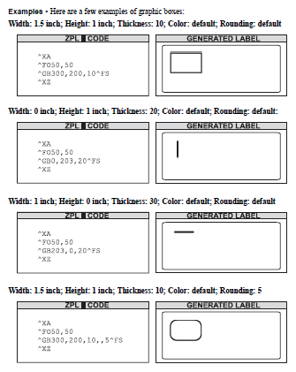
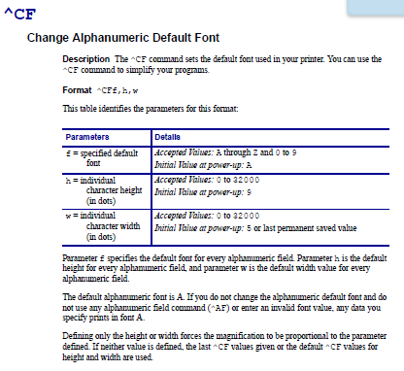
 |  |  |  |  |  |  |  | ^FO50,24 ^A0N,50,40^FD MANUFACTURED BY NISSAN MOTOR CO., LTD.^FS
 |  |  |  |  |  |  |  | ^FO50,70 ^AD,40^FDDATE: 09/14^FS
 |  |  |  |  |  |  |  | ^FO570,70 ^AD,40^FDGVWR/PNBV: 1715 KG^FS
 |  |  |  |  |  |  |  | ^FO50,115^AD,40^FDGAWR/PNBE FR:890 KG^FS
 |  |  |  |  |  |  |  | ^FO550,115 ^AD,40^FDRR: 825 KG^FS
 |  |  |  |  |  |  |  | ^FO50,156^AD,40^FDVIN:^FS
 |  |  |  |  |  |  |  | ^FO170,156^A0N,50,40^FD1N4AL21E28N411020^FS
 |  |  |  |  |  |  |  | ^FO50,202^AD,40^FDTYPE: PC/VT^FS
 |  |  |  |  |  |  |  | ^FO50,248^AD,40^FDICES/NMB-002^FS
 |  |  |  |  |  |  |  | ^FO50,294^AD,40^FDCOLOR TRIM TRANS^FS
 |  |  |  |  |  |  |  | ^FO50,340^AD,40^FD 123 45 RS6F94R^FS
 |  |  |  |  |  |  |  | ^FO50,373^AD,40^FDAXLE ENGINE^FS
 |  |  |  |  |  |  |  | ^FO50,417^AD,40^FDGC39 MRA8DE^FS
 |  |  |  |  |  |  |  | ^FO50,450^AD,40^FDMODEL: BDSALCY-ENA 4Z000^FS

 |  |  |  |  |  |  |  | (default 15 height x 12 width) ultimo ^CF |  |  |  |  | CF (default dice que A, de 9 height x 5 width)
^JL58 | ??
 |  |  |  |  |  |  |  | Font 0 orientation N, 50 heigth y 40 width
^LT00 |  | LABEL TOP |  | ( -120 TO 120 ) |  |  |  | ^FO50,24 ^A0N,50,40^FD MANUFACTURED BY NISSAN MOTOR CO., LTD.^FS
^CI10 |  | set INTERNATIONAL FONT |  |  | 10 = SPAIN |  |  | ^A0N,50,40^FD1N4AL21E28N411020^FS

 |  |  |  |  |  |  |  | ^FO50,70 ^AD,40^FDDATE: 09/14^FS |  |  |  |  |  | 46 Pixeles vs linea NISSAN
 |  |  |  |  |  |  |  | ^FO570,70 ^AD,40^FDGVWR/PNBV: 1715 KG^FS
 |  |  |  |  |  |  |  | ^FO50,115^AD,40^FDGAWR/PNBE FR:890 KG^FS |  |  |  |  |  | 45 Pixeles entre lineas
 |  |  |  |  |  |  |  | ^FO550,115 ^AD,40^FDRR: 825 KG^FS

 |  |  |  |  |  |  |  |  | Fond D, 40 Height

 |  |  |  |  |  |  |  | Modelo Arabe:
 |  |  |  |  |  |  |  | ^FO301,388^AB,32^FD1N4AL21E28N411020^FS
 |  |  |  |  |  |  |  |  | Found B,32 Height
 |  |  |  |  |  |  |  |  |  |  |  |  |  |  |  |  |  | USA
 |  |  |  |  |  |  |  | Font 0 orientation N, 50 heigth y 30 width |  |  |  |  |  |  |  |  |  | (si esta separado)
 |  |  |  |  |  |  |  | ^FO100,140^A0N,50,30^FD THIS VEHICLE CONFORMS TO ALL APPLICABLE FEDERAL MOTOR^FS |  |  |  |  |  |  |  |  |  | 50 px
 |  |  |  |  |  |  |  | ^FO100,190^A0N,50,30^FD VEHICLE SAFETY, BUMPER AND THEFT PREVENTION STANDARDS^FS |  |  |  |  |  |  |  |  |  | 44 px
 |  |  |  |  |  |  |  | ^FO100,234^A0N,50,30^FD IN EFFECT ON THE DATE OF MANUFACTURE SHOWN ABOVE.^FS |  |  |  |  |  |  |  |  |  | 44 px
 |  |  |  |  |  |  |  | ^FO100,278^A0N,50,30^FD SEE OWNER'S MANUAL FOR ADDITIONAL INFORMATION.^FS |  |  |  |  |  |  |  |  |  | 44 px

 |  |  |  |  |  |  |  | USA label
 |  |  |  |  |  |  |  | ^FO60,24 ^AH^FDMANUFACTURED^FS & _
 |  |  |  |  |  |  |  | "^FO420,24 ^AH^FDBY^FS" & _
 |  |  |  |  |  |  |  | "^FO485,24 ^AH^FDNISSAN^FS" & _
 |  |  |  |  |  |  |  | "^FO670,24 ^AH^FDMOTOR^FS" & _
 |  |  |  |  |  |  |  | "^FO820,24 ^AH^FDCO.,^FS" & _
 |  |  |  |  |  |  |  | "^FO935,24 ^AH^FDLTD.^FS" & _
 |  |  |  |  |  |  |  | "^FO50,61 ^AH^FDDATE: " & sFecha & ". GVWR: " & sGVWR & "^FS" & _ |  |  |  |  |  |  |  | Salto 37 px
 |  |  |  |  |  |  |  | "^FO50,99^AH^FDGAWR FR: " & sGAWR & " GAWR RR: " & sRR & "^FS"

 |  |  |  |  |  |  |  | ^FO50,325^AH,15^FDVIN:^FS & _
 |  |  |  |  |  |  |  | "^FO170,325^A0N,50,40^FD " & sVIN & "^FS" & _ |  |  |  |  |  |  |  |  | de Canada
 |  |  |  |  |  |  |  | "^FO680,325 ^A0,50,30^FD PASSENGER CAR.^FS" & _ |  |  |  |  |  |  | Salto 45 px
 |  |  |  |  |  |  |  | "^FO50,370^AH,15^FDCOLOR^FS" & _
 |  |  |  |  |  |  |  | "^FO195,370^AH,15^FDTRIM TRANS AXLE ENGINE^FS"

 |  |  |  |  |  |  |  | ^FO80,417^AH,15^FD & sColor & " " & sTrim & "^FS" & _
 |  |  |  |  |  |  |  | "^FO300,417^AH,15^FD" & sTrans & " " & sAxle & "^FS" & _
 |  |  |  |  |  |  |  | "^FO645,417^AH,15^FD" & sEngine & "^FS" & _ |  |  |  |  |  |  | Salto 45 px
 |  |  |  |  |  |  |  | "^FO50,462^AH,15^FDMODEL: " & sModel & " 4Z000^FS"

 |  |  |  |  |  |  |  | ^FO255,495^B3,,120,N^FD & sVIN & "^FS" & _
 |  |  |  |  |  |  |  | "^FO315,618^AH,28^FD" & sVIN & "^FS" & _
 |  |  |  |  |  |  |  | "^XZ"

